Sheet1
Copy-paste to bootstrap your assignment | Product 1 | Product 2 | Product 3
Product Name | Whatsapp | Refrigerator
Company | Meta | Hisense
Customer Persona | Young Adults | Adults
Customer Journey - What They Do Well | Messaging | Cooling
Customer Journey - Pain Points | Security | Lifespan
Is the Buyer the User | Yes | Yes
Link to PRDs | https://www.academia.edu/38198220/Product_Specification_Documentation_Whatsapp_ | https://brandsdirectonline.com.au/products/hrbm418d
Link to Press Releases | https://about.fb.com/news/category/technologies/whatsapp/ | https://hisense.com.au/product/bottom-mount-pureflat-taupe-steel-hrbm418d/
Market Size | 2Billion | 19.6Million
Competitors | Telegrams | Haier
Competitive Analysis (very brief) | Whatsapp is more know than telegram. Telegram accomodate large number in a group than whatsapp | Haier is more know than Hisense. Haier is more expensive than Hisense
Company Vision | Connecting people globally | To become the most reliable brand in the world
Product Vision | Let people communicate anywhere in the world without barriers | Improve the overall quality of life and bring happiness to millions of families
Recent and Future Versions | 23.1.75 | Hisense-Taupe Steel 417L
Performance Metrics | RPC =3Euro, ROCS = 10x, CTR = 30%, Open rate = 95%, Opt-out rate = 0.2% | Total net capacity in liters 417
Financial Metrics | Not public | Not public
Customer Satisfaction Metrics | 4.5stars | 7stars
Customer Retention Metrics | Not public | Not public
Monetization Plans | WhatsApp Business Platform, introducing in-app purchases for digital goods and services | Sales
Financial Trends | Not public | Not public
 Design | 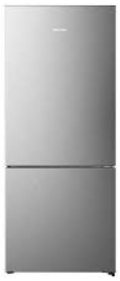
Technology | XMPP, Erlang, FreeBSD, Yaws, and PHP | Inverter Technology

